Sheet1
 | If empty list : display overlay help
bootstrap
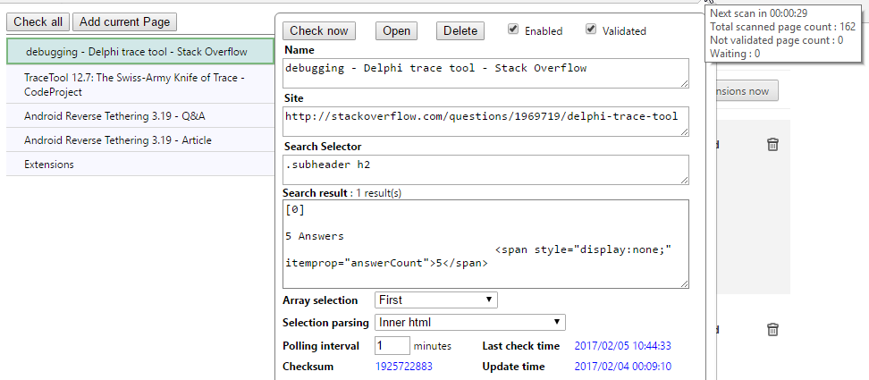
Import/export button

Click to add current page to scanner list

for tracetool : type script declaration file
https://www.typescriptlang.org/docs/handbook/declaration-files/introduction.html
http://definitelytyped.org/

bower : tracetool.js

